Matrix Plot
calories | protein | fat | rating
70 | 4 | 1 | 68.402973
120 | 3 | 5 | 33.983679
70 | 4 | 1 | 59.425505
50 | 4 | 0 | 93.704912
110 | 2 | 2 | 34.384843
110 | 2 | 2 | 29.509541
110 | 2 | 0 | 33.174094
130 | 3 | 2 | 37.038562
90 | 2 | 1 | 49.120253
90 | 3 | 0 | 53.313813
120 | 1 | 2 | 18.042851
110 | 6 | 2 | 50.764999
120 | 1 | 3 | 19.823573
110 | 3 | 2 | 40.400208
110 | 1 | 1 | 22.736446
110 | 2 | 0 | 41.445019
100 | 2 | 0 | 45.863324
110 | 1 | 0 | 35.782791
110 | 1 | 1 | 22.396513
110 | 3 | 3 | 40.448772
100 | 3 | 0 | 64.533816
110 | 2 | 0 | 46.895644
100 | 2 | 1 | 36.176196
100 | 2 | 0 | 44.330856
110 | 2 | 1 | 32.207582
110 | 1 | 0 | 31.435973
100 | 3 | 0 | 58.345141
120 | 3 | 2 | 40.917047
120 | 3 | 0 | 41.015492
110 | 1 | 1 | 28.025765
100 | 2 | 0 | 35.252444
110 | 1 | 1 | 23.804043
100 | 3 | 1 | 52.076897
110 | 3 | 0 | 53.371007
120 | 3 | 3 | 45.811716
120 | 1 | 2 | 21.871292
110 | 3 | 1 | 31.072217
110 | 1 | 0 | 28.742414
110 | 2 | 1 | 36.523683
140 | 3 | 1 | 36.471512
110 | 2 | 1 | 39.241114
100 | 4 | 2 | 45.328074
110 | 2 | 1 | 26.734515
100 | 4 | 1 | 54.850917
150 | 4 | 3 | 37.136863
150 | 4 | 3 | 34.139765
160 | 3 | 2 | 30.313351
100 | 2 | 1 | 40.105965
120 | 2 | 1 | 29.924285
140 | 3 | 2 | 40.69232
90 | 3 | 0 | 59.642837
130 | 3 | 2 | 30.450843
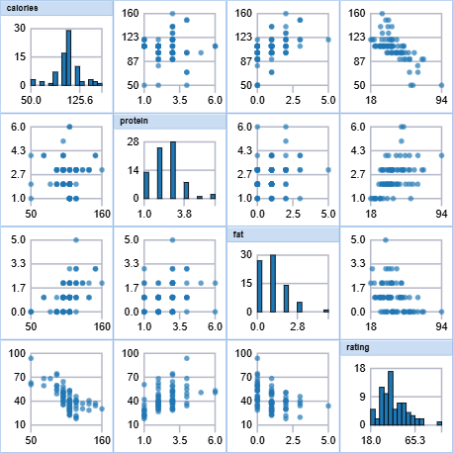
120 | 3 | 1 | 37.840594
100 | 3 | 0 | 41.50354
50 | 1 | 0 | 60.756112
50 | 2 | 0 | 63.005645
100 | 4 | 1 | 49.511874
100 | 5 | 2 | 50.828392
120 | 3 | 1 | 39.259197
100 | 3 | 2 | 39.7034
90 | 2 | 0 | 55.333142
110 | 1 | 0 | 41.998933
110 | 2 | 0 | 40.560159
80 | 2 | 0 | 68.235885
90 | 3 | 0 | 74.472949
90 | 3 | 0 | 72.801787
110 | 2 | 1 | 31.230054
110 | 6 | 0 | 53.131324
90 | 2 | 0 | 59.363993
110 | 2 | 1 | 38.839746
140 | 3 | 1 | 28.592785
100 | 3 | 1 | 46.658844
110 | 2 | 1 | 39.106174
110 | 1 | 1 | 27.753301
100 | 3 | 1 | 49.787445
100 | 3 | 1 | 51.592193
110 | 2 | 1 | 36.187559

Histogram
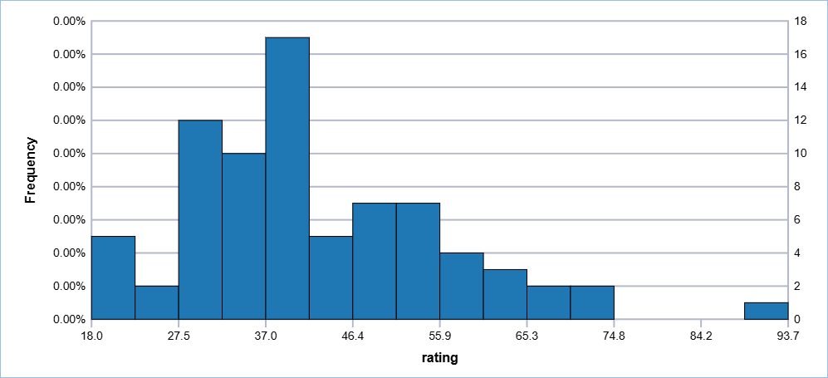
rating
68.402973
33.983679
59.425505
93.704912
34.384843
29.509541
33.174094
37.038562
49.120253
53.313813
18.042851
50.764999
19.823573
40.400208
22.736446
41.445019
45.863324
35.782791
22.396513
40.448772
64.533816
46.895644
36.176196
44.330856
32.207582
31.435973
58.345141
40.917047
41.015492
28.025765
35.252444
23.804043
52.076897
53.371007
45.811716
21.871292
31.072217
28.742414
36.523683
36.471512
39.241114
45.328074
26.734515
54.850917
37.136863
34.139765
30.313351
40.105965
29.924285
40.69232
59.642837
30.450843
37.840594
41.50354
60.756112
63.005645
49.511874
50.828392
39.259197
39.7034
55.333142
41.998933
40.560159
68.235885
74.472949
72.801787
31.230054
53.131324
59.363993
38.839746
28.592785
46.658844
39.106174
27.753301
49.787445
51.592193
36.187559

Boxplot
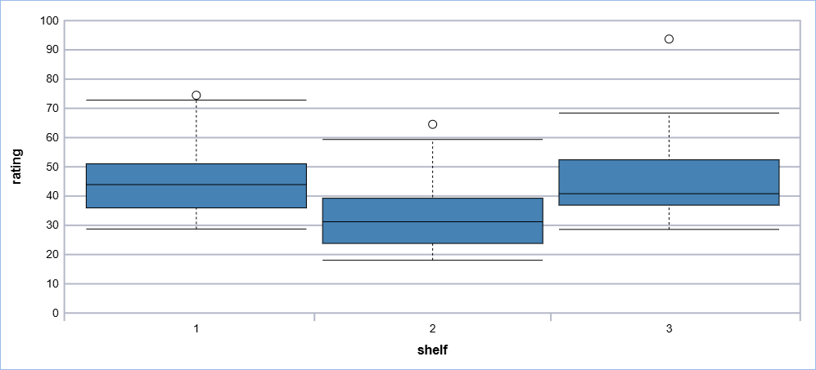
rating | shelf
68.402973 | 3
33.983679 | 3
59.425505 | 3
93.704912 | 3
34.384843 | 3
29.509541 | 1
33.174094 | 2
37.038562 | 3
49.120253 | 1
53.313813 | 3
18.042851 | 2
50.764999 | 1
19.823573 | 2
40.400208 | 3
22.736446 | 2
41.445019 | 1
45.863324 | 1
35.782791 | 2
22.396513 | 2
40.448772 | 3
64.533816 | 2
46.895644 | 3
36.176196 | 3
44.330856 | 3
32.207582 | 2
31.435973 | 1
58.345141 | 2
40.917047 | 3
41.015492 | 3
28.025765 | 2
35.252444 | 1
23.804043 | 2
52.076897 | 3
53.371007 | 3
45.811716 | 3
21.871292 | 2
31.072217 | 1
28.742414 | 1
36.523683 | 3
36.471512 | 3
39.241114 | 2
45.328074 | 2
26.734515 | 2
54.850917 | 2
37.136863 | 3
34.139765 | 3
30.313351 | 3
40.105965 | 1
29.924285 | 2
40.69232 | 3
59.642837 | 3
30.450843 | 3
37.840594 | 3
41.50354 | 3
60.756112 | 3
63.005645 | 3
49.511874 | 3
50.828392 | 1
39.259197 | 2
39.7034 | 3
55.333142 | 3
41.998933 | 1
40.560159 | 1
68.235885 | 1
74.472949 | 1
72.801787 | 1
31.230054 | 2
53.131324 | 1
59.363993 | 2
38.839746 | 3
28.592785 | 3
46.658844 | 3
39.106174 | 3
27.753301 | 2
49.787445 | 1
51.592193 | 1
36.187559 | 1

